Sheet1
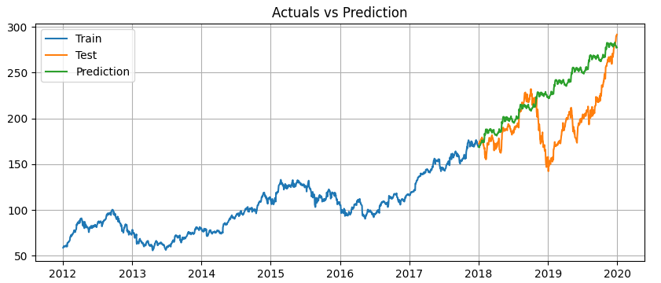
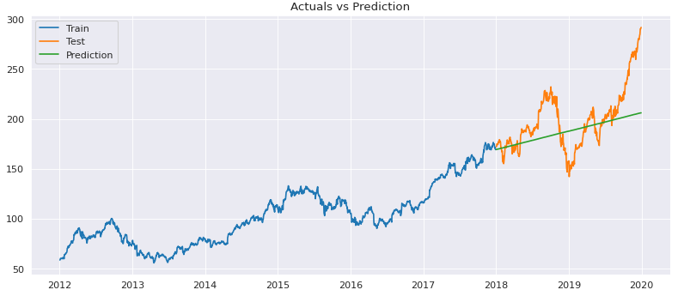
ARIMA ORDER | MAPE | RMSE | AIC | BIC | ARIMA(2,1,0)
1,1,0 | 0.104 | 26.83 | 8743.709 | 8760.527
1,1,1 | 0.104 | 26.83 | 8743.547 | 8765.971
2,1,0 | 0.103 | 26.82 | 8739.973 | 8762.397
2,1,1 | 0.104 | 26.84 | 8741.562 | 8769.592
6,1,0 | 0.104 | 26.85 | 8743.568 | 8788.415

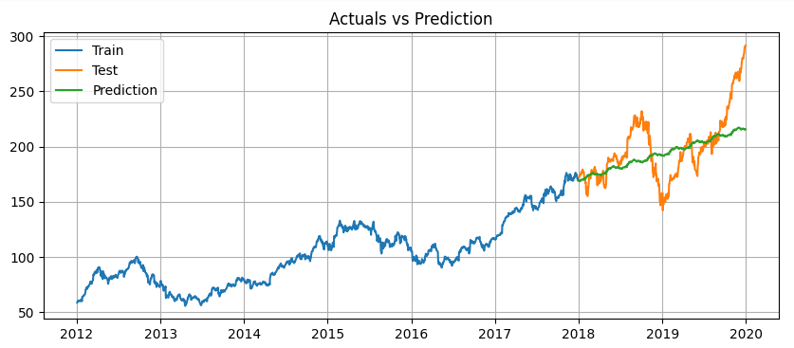
SARIMAX ORDER | MAPE | RMSE | AIC | BIC
(1,0,1)(1,1,1,63)) | 0.092 | 24.27 | 5346.604 | 5367.527 | SARIMAX[(1,1,1)(1,1,1,63)]
(1,1,1),(1,1,1,63)) | 0.092 | 24.29 | 5343.788 | 5369.937
(2,0,1),(1,1,1,63)) | 0.133 | 39.34 | 5637.928 | 5658.847
(2,1,0)(1,1,0,63)) | 0.133 | 39.34 | 5637.928 | 5658.847
(2,1,2)(1,1,0,63) | 0.134 | 39.91 | 5641.371 | 5672.75

SARMAX[(2,1,2)(1,1,0,63)]

